Q.4
Q.4. How do the Total sales fluctuate on a daily basis? Hint: Check total sales by each day and plot a line chart.

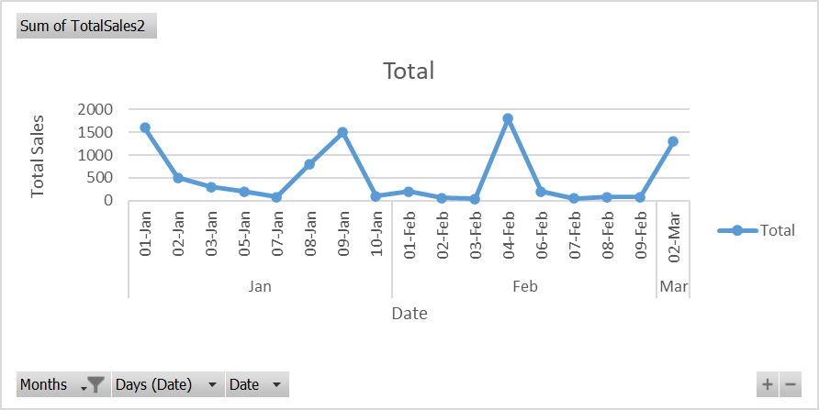

 | Mothly Sales | Sum of TotalSales2
 | Jan | 5080
 | 01-Jan | 1600
 | 02-Jan | 500
 | 03-Jan | 300
 | 05-Jan | 200
 | 07-Jan | 80
 | 08-Jan | 800
 | 09-Jan | 1500
 | 10-Jan | 100
 | Feb | 2510
 | 01-Feb | 200
 | 02-Feb | 60
 | 03-Feb | 40
 | 04-Feb | 1800
 | 06-Feb | 200
 | 07-Feb | 50
 | 08-Feb | 80
 | 09-Feb | 80
 | Mar | 1300
 | 02-Mar | 1300
 | Grand Total | 8890

Q1 - Pivot Table
Mothly Sales | Sum of TotalSales2
Jan | 5080
01-Jan | 1600
02-Jan | 500
03-Jan | 300
05-Jan | 200
07-Jan | 80
08-Jan | 800
09-Jan | 1500
10-Jan | 100
Feb | 2510
01-Feb | 200
02-Feb | 60
03-Feb | 40
04-Feb | 1800
06-Feb | 200
07-Feb | 50
08-Feb | 80
09-Feb | 80
Mar | 1300
02-Mar | 1300
Grand Total | 8890

